Bud.IS - garments
Sinha Knit & Denims Limited |  |  |  |  |  |  |  |  | Con. Rate | 110.00
Production Budget Income Statement-Garments Unit
For the period ended 2nd Quarter Budget 2025
Particular | Apr'25 |  | May'25 |  | Jun'25 |  | Total
 | Quantity | % | Quantity | % | Quantity | % | Quantity | %
Production(In-house)Qty-Pcs | 675,049 | 72% | 735,495 | 87% | 708,719 | 93% | 2,119,263 | 84%
Production(Outside)Qty-Pcs | 256,820 | 28% | 106,114 | 13% | 50,000 | 7% | 412,934 | 16%
Total Production Qty-Pcs | 931,869 | 100% | 841,609 | 100% | 758,719 | 100% | 2,532,197 | 100%
Average Rate/Dzn | $14.76 |  | $15.33 |  | $14.67 |  | $14.92
 |  |  |  |  |  |  | Amount In BDT
Operating Revenue: | Amount | % | Amount | % | Amount | % | Amount | %
Production Revenue AS Per CM | 126,061,519 | 99.2% | 118,302,942 | 99.3% | 102,063,406 | 99.3% | 346,427,867 | 99.3%
Printing section | 604,491 | 0.5% | 528,018 | 0.4% | 696,667 | 0.7% | 1,829,176 | 0.5%
EMB section | 448,530 | 0.4% | 270,925 | 0.2% | - | 0.0% | 719,455 | 0.2%
Total Operating Revenue | 127,114,540 | 100% | 119,101,885 | 100% | 102,760,073 | 100% | 348,976,498 | 100%
Manufacturing Expenses: | Amount | % | Amount | % | Amount | % | Amount | %
Salary & Wages | 48,937,567 | 38.5% | 48,937,567 | 41.1% | 48,937,567 | 47.6% | 146,812,701 | 42.1%
Overtime | 9,194,161 | 7.2% | 10,998,667 | 9.2% | 10,675,051 | 10.4% | 30,867,879 | 8.8%
Workers Benefit | 6,192,239 | 4.9% | 6,692,239 | 5.6% | 6,222,239 | 6.1% | 19,106,717 | 5.5%
Utility Expense | 2,038,498 | 1.6% | 2,212,778 | 1.9% | 2,212,778 | 2.2% | 6,464,054 | 1.9%
Sub-contract Expense | 23,882,633 | 18.8% | 7,408,657 | 6.2% | 4,468,750 | 4.3% | 35,760,040 | 10.2%
Repair & Maint. Machinery & Utility | 609,000 | 0.5% | 599,000 | 0.5% | 579,000 | 0.6% | 1,787,000 | 0.5%
Spare parts & Needle | 716,070 | 0.6% | 628,370 | 0.5% | 628,370 | 0.6% | 1,972,810 | 0.6%
Repair & Maint. Building, Others | 258,000 | 0.2% | 658,000 | 0.6% | 258,000 | 0.3% | 1,174,000 | 0.3%
Factory overhead others | 13,296,247 | 10.5% | 12,672,594 | 10.6% | 12,885,510 | 12.5% | 38,854,351 | 11.1%
Total Manufacturing Expense | 105,124,415 | 82.7% | 90,807,872 | 76.2% | 86,867,265 | 84.5% | 282,799,552 | 81.0%
Segmental Profit | 21,990,125 | 17.3% | 28,294,013 | 23.8% | 15,892,807 | 15.5% | 66,176,946 | 19.0%
Un-allocated Operating Expenses:
Administrative Overhead | 10,107,230 | 8.0% | 10,107,230 | 8.5% | 10,107,230 | 9.8% | 30,321,690 | 8.7%
Selling & Distribution Overhead | 21,556,042 | 17.0% | 21,167,724 | 17.8% | 14,943,713 | 14.5% | 57,667,479 | 16.5%
R & D and Marketing Expense | 2,407,412 | 1.9% | 2,407,412 | 2.0% | 2,407,412 | 2.3% | 7,222,236 | 2.1%
Total Operating Expense | 34,070,684 | 26.8% | 33,682,366 | 28.3% | 27,458,355 | 26.7% | 95,211,405 | 27.3%
Operating Profit | (12,080,559) | -9.5% | (5,388,353) | -4.5% | (11,565,548) | -11.3% | (29,034,459) | -8.3%
Other Income:
Cash Incentive | 2,019,779 | 1.6% | 2,042,310 | 1.7% | 1,517,805 | 1.5% | 5,579,893 | 1.6%
Leftover Sale | 1,666,667 | 1.3% | 1,666,667 | 1.4% | 1,666,667 | 1.6% | 5,000,000 | 1.4%
Total Other Income | 3,686,445 | 2.9% | 3,708,977 | 3.1% | 3,184,471 | 3.1% | 10,579,893 | 3.0%
Profit before Interest & Tax | (8,394,114) | -6.6% | (1,679,376) | -1.4% | (8,381,076) | -8.2% | (18,454,566) | -5.3%
Financial Expense | 9,660,000 | 7.6% | 9,660,000 | 8.1% | 9,660,000 | 9.4% | 28,980,000 | 8.3%
Profit before Tax | (18,054,114) | -14.2% | (11,339,376) | -9.5% | (18,041,076) | -17.6% | (47,434,566) | -13.6%

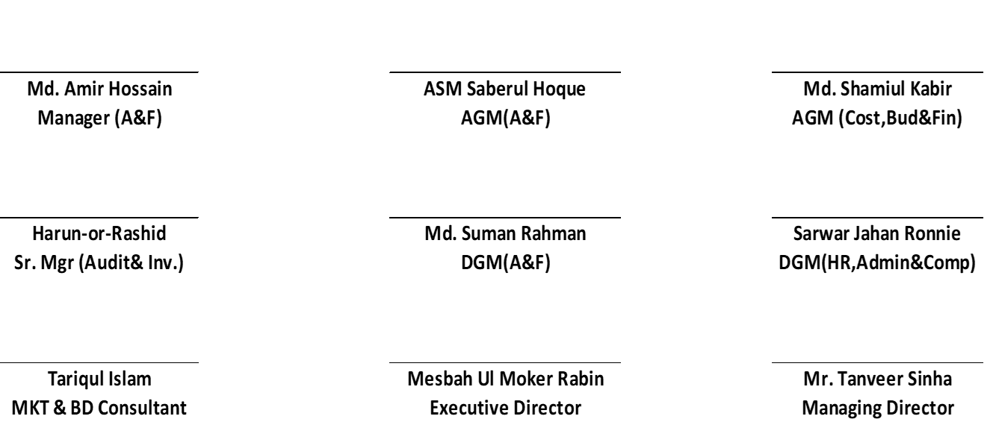

 |  |  | - |  |  |  |  |  | 156700 | 186700
 |  |  | 687,134 |  | 156700 | 186700 |  |  | 11250000 | 11,250,000
 |  |  |  |  | 11250000 | 11250000 |  |  | 71.793235482 | 60.26
 |  |  |  |  |  |  |  |  |  | 1,800,000

